Industry & Competitor Analysis
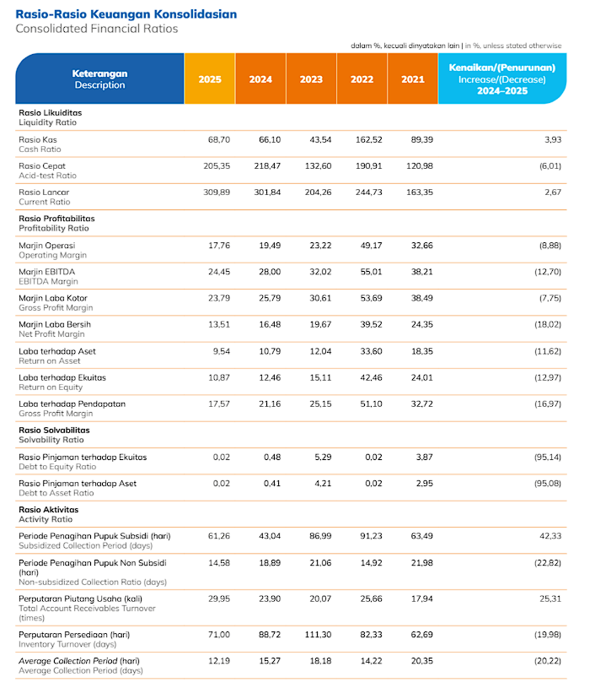
...
 |  |  |  | Rasio Keuangan 2021-2025 (Berdasarkan 4 Perusahaan Pupuk di Indonesia) |  |  |  |  |  |  | Rasio Keuangan 2021-2025 PT Pupuk Kalimatan Timur
Median | Q3 / Upper Benchmark | Max |  | Metric | Min | Q1 / Lower Benchmark | Median | Q3 / Upper Benchmark | Max |  | Metric | Min | Q1 / Lower Benchmark | Median | Q3 / Upper Benchmark | Max
1.39 | 2.02 | 5.18 |  | DIO | #REF! | #REF! | #REF! | #REF! | #REF! |  | Gross Profit Margin (GPM) | 0.00% | #NUM! | #NUM! | #NUM! | 0
0.72 | 1.20 | 2.58 |  | DSO | #REF! | #REF! | #REF! | #REF! | #REF! |  | Operating Profit Margin (OPM) | 0 | #NUM! | #NUM! | #NUM! | 0
2.40 | 2.55 | 4.10 |  | DPO | #REF! | #REF! | #REF! | #REF! | #REF! |  | Net Profit Margin (NPM) | 0 | #NUM! | #NUM! | #NUM! | 0
0.66 | 0.98 | 1.45 |  | CCC | #REF! | #REF! | #REF! | #REF! | #REF! |  | EBITDA Margin | 2445.00% | 2800.00% | 3202.00% | 3821.00% | 19.58%
 |  |  |  | NWC | #REF! | #REF! | #REF! | #REF! | #REF! |  | ROA | 0 | #NUM! | #NUM! | #NUM! | 0.00%
 |  |  |  |  |  |  |  |  |  |  | ROE | 0 | #NUM! | #NUM! | #NUM! | 0.00%
...
OPM 2021 | NPM 2025 | NPM 2024 | NPM 2023 | NPM 2022 | NPM 2021 | ROA 2025 | ROA 2024 | ROA 2023 | ROA 2022 | ROA 2021 | ROE 2025 | ROE 2024 | ROE 2023 | ROE 2022 | ROE 2021
...
12.99% | 6.27% | 7.90% | 9.10% | 9.06% | 8.93% | 8.52% | 13.35% | 12.80% | 13.23% | 9.69% | 15.51% | 26.98% | 33.60% | 34.90% | 20.80%
8.37% | 5.28% | 5.30% | 0.50% | 8.43% | 5.86% | 7.22% | 6.54% | 2.83% | 4.81% | 0.00% | 23.93% | 24.20% | 3.16% | 35.27% | 0.00%
6.07% | 1.92% | 1.78% | 115.01% | -24.77% | 1.22% | 1.95% | 2.35% | -5.92% | -5.13% | 3.73% | 1.83% | 1.28% | 29.72% | -19.98% | 2.41%

 |  |  |  | Rasio Keuangan Quartal 2023-2026 (Berdasarkan 3 Perusahaan Pupuk di Indonesia) |  |  |  |  |  |  | Rasio Keuangan Quartal 2023-2026 (PT Pupuk Kalimatan Timur)
Median | Q3 / Upper Benchmark | Max |  | Metric | Min | Q1 / Lower Benchmark | Median | Q3 / Upper Benchmark | Max |  | Metric | Min | Q1 / Lower Benchmark | Median | Q3 / Upper Benchmark | Max
1.77 | 2.52 | 6.11 |  | DIO | #REF! | #REF! | #REF! | #REF! | #REF! |  | Gross Profit Margin (GPM)
0.82 | 1.34 | 3.01 |  | DSO | #REF! | #REF! | #REF! | #REF! | #REF! |  | Operating Profit Margin (OPM)
2.29 | 3.10 | 3.66 |  | DPO | #REF! | #REF! | #REF! | #REF! | #REF! |  | Net Profit Margin (NPM)
0.69 | 1.04 | 1.45 |  | CCC | #REF! | #REF! | #REF! | #REF! | #REF! |  | EBITDA Margin
 |  |  |  | NWC | #REF! | #REF! | #REF! | #REF! | #REF! |  | ROA
 |  |  |  |  |  |  |  |  |  |  | ROE
...

